Foglio1
Image | Product | Description | Qty
Cartoni assortiti da 72pz x colore
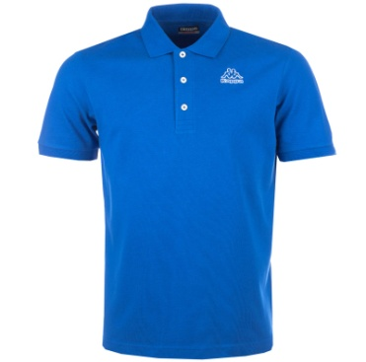 | 303L6WO-ROYROY245 | Omini Polo Royal Royal BlueS | 459
 | 303L6WO-ROYROY246 | Omini Polo Royal Royal BlueM | 917
 | 303L6WO-ROYROY247 | Omini Polo Royal Royal BlueL | 1836
 | 303L6WO-ROYROY248 | Omini Polo Royal Royal BlueXL | 1377
 | 303L6WO-ROYROY249 | Omini Polo Royal Royal Blue2XL | 915
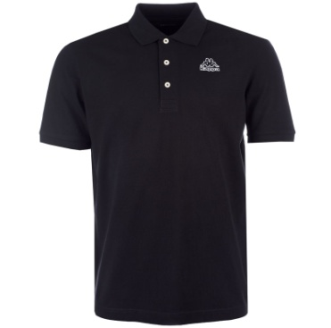 | 303L6WO-BLKBLK245 | Omini Polo Black BlackS | 423
 | 303L6WO-BLKBLK246 | Omini Polo Black BlackM | 846
 | 303L6WO-BLKBLK247 | Omini Polo Black BlackL | 1693
 | 303L6WO-BLKBLK248 | Omini Polo Black BlackXL | 1271
 | 303L6WO-BLKBLK249 | Omini Polo Black Black2XL | 848
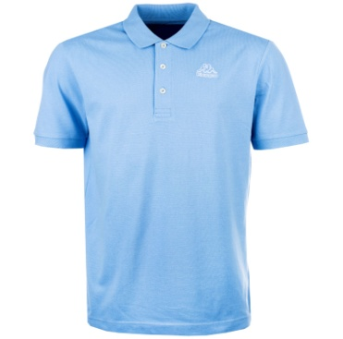 | 303L6WO-SKYSKY245 | Omini Polo Sky skyS | 432
 | 303L6WO-SKYSKY246 | Omini Polo Sky skyM | 864
 | 303L6WO-SKYSKY247 | Omini Polo Sky skyL | 1728
 | 303L6WO-SKYSKY248 | Omini Polo Sky skyXL | 1296
 | 303L6WO-SKYSKY249 | Omini Polo Sky sky2XL | 875
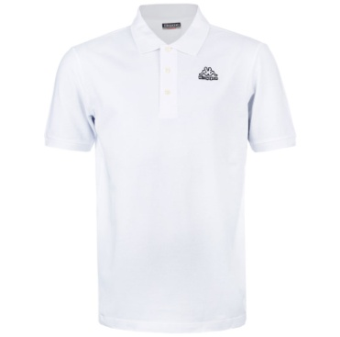 | 303L6WO-WHTWHT245 | Omini Polo White WhiteS | 342
 | 303L6WO-WHTWHT246 | Omini Polo White WhiteM | 683
 | 303L6WO-WHTWHT247 | Omini Polo White WhiteL | 1363
 | 303L6WO-WHTWHT248 | Omini Polo White WhiteXL | 1022
 | 303L6WO-WHTWHT249 | Omini Polo White White2XL | 683
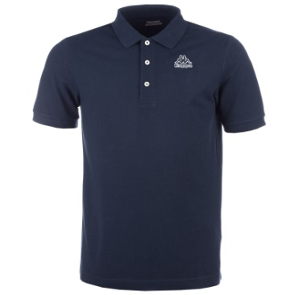 | 303L6WO-NAVNAV245 | Omini Polo Navy NavyS | 199
 | 303L6WO-NAVNAV246 | Omini Polo Navy NavyM | 399
 | 303L6WO-NAVNAV247 | Omini Polo Navy NavyL | 799
 | 303L6WO-NAVNAV248 | Omini Polo Navy NavyXL | 601
 | 303L6WO-NAVNAV249 | Omini Polo Navy Navy2XL | 400
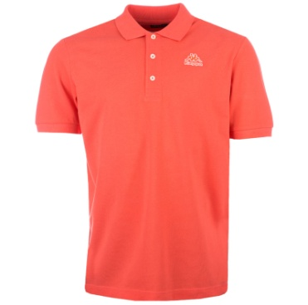 | 303L6WO-REDRED245 | Omini Polo Red RedS | 195
 | 303L6WO-REDRED246 | Omini Polo Red RedM | 389
 | 303L6WO-REDRED247 | Omini Polo Red RedL | 780
 | 303L6WO-REDRED248 | Omini Polo Red RedXL | 585
 | 303L6WO-REDRED249 | Omini Polo Red Red2XL | 390
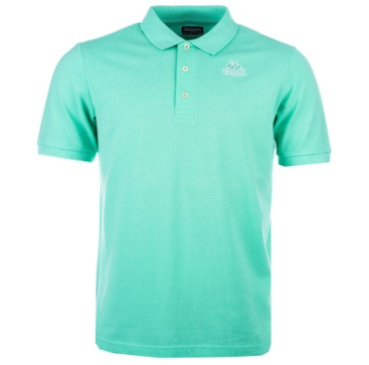 | 303L6WO-GRNGRN245 | Omini Polo Green GreenS | 226
 | 303L6WO-GRNGRN246 | Omini Polo Green GreenM | 451
 | 303L6WO-GRNGRN247 | Omini Polo Green GreenL | 904
 | 303L6WO-GRNGRN248 | Omini Polo Green GreenXL | 678
 | 303L6WO-GRNGRN249 | Omini Polo Green Green2XL | 452
 |  |  | 27321

